Trans. Template
Fishbone Diagram

Subscriptions
Ad-hoc Purchases
Travel Expenses

Apple Music
Amazon purchase
Hotel/Airbnb

Audbile
Entertainment
Food/Takeout
Amount of Money Spent
Netflix/Streaming
Splurge Purchases
Transportation

Monthly big box
Moving Expenses
Cable/Internet

Mortgage
Weekly Delivery/Takeout
Tuition/Education
Phone

Weekly grocery store trip
Career changes
Electric

Groceries/Food
Life Events
Utilities/Living

Manf. Template
Fishbone Diagram

Machine
Method
Material

Cause
Cause
Cause

Cause
Cause
Cause
Effect

Cause
Cause
Cause

Cause
Cause
Cause

Cause
Cause
Cause

Cause
Cause
Cause

Man Power
Measurement
Mother Nature

Example
Fishbone Diagram

Place
Food Types

Too much movement and steps to prepare food
Sandwiches take more than 10 min. to prep
Prep time takes longer because we have to take time to re-stock food items during the rush
Some items take too long to prepare

The prep area is not very organized
Some items have a cook time longer than 15 min.
Food Orders Take Too Long for Lunch Customers

Too many orders at once
Customers are too demanding

Too many choices on the menu
Short-staffed kitchen
Server doesn't pick up food from the kitchen right away
Packaging items for pickup takes too long
Too many different foods to prepare
Chef can't keep up with volume

Servers don't turn the orders in right away

Process
People

Example 2
Fishbone Diagram

People
Orders
Time

Availability of staff
Cook Time
Time of Day

Schedule
Some Menu Items
Day of Week
Quantity or Volume of Pick-Up Order
Weekend vs. Weekday
Pick-Up Orders Take Too Long
Staff Knowledge Level

Variability by location
Packaging

Volume by location
5 Whys - Detail
Prep time varies
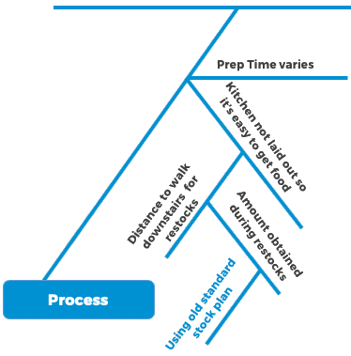

Utensil Prep
Staff variability

Process
Location

Manufacturing Example
Fishbone Diagram

Management
Man
Process

Racking Methods
Part Placement in Rack
Hours of Training
Racking Methods
No. of Parts per Rack
Amount of In-Process Storage
Work Experience
Location of Storage
BSD Material Costs Vary
Conformance to Work Instructions
Outside Storage
Sequence of Schedule

Lighting Levels
Operational Definitions
Extrusion Presses
Quality of Racks

Reproducibility
Age of Equipment
Anodizing Equipment
Raw Material Quality
Maintenance Frequency
Scrap Reporting
No. of Racks

Measurement
Machine
Materials

Finance Example
Fishbone Diagram

Taxpayer
Process
Tax Dept.

Properly entering tax payments
Number of moves per 6 mo.
Address not updated

# of new constructions
US Mail compliant
# of Blowbacks Received

Process to pay taxes from accrual
Date of payments received
Processing payments received

Counting # of blowbacks
Processing tax notices

Database Maintenance

Mortgage Dept.
Measurement
IT Dept

HealthCare Example
Fishbone Diagram

Documents
Process
Quality Team

Different interpretation of requirements
Scan Accuracy
Differing Requirements

# of Changes made
Total Number of steps in the process
Delays in approvals
# of Audits completed per month
Type of document to be audited
Number of manual steps
How sample is selected

Time to complete reviews
Number of days in the month
Computer related issue

Number of Changes required

SOLAR
Measurement
IT Dept

